Sheet1
Vuzix Smart Glasses Head Sets

 |  |  |  |  |  |  |  |  | Frame dimentions
MPN | EAN | Commodity | UPC | GTIN | OEM |  | Product | Description | L (CM) | W (CM) | H (CM) | Weight | Country of
 |  | Code |  |  |  |  |  |  |  |  |  | Kg | Manufacture
490T00011 | 0817370020893 | 8471.41.0150 | 817370020893 | 00817370020893 | Vuzix |  | M4000 Base Kit (Longevity Series) | Stay focused using the M4000's ultrabright see-through display with an expansive 28 degree field of view. At just 3.5oz, the M4000 is a revolutionary mix of optics, processing performance and lightweight ergonomics. Share your view in comfort without interruption since only Vuzix allows you to hot swap batteries on the fly. Longevity Series Includes the M4000 Smart Glasses, 750 mAh IP67 certified USB-C battery with 3-level LED indicator, charge and viewer cable, safety glasses, extra waveguide, tinted lens accessory, quick start guide, and rugged case. The M4000 comes with a one-year manufacturer’s warranty. | 32.00 | 32 | 14 | 1.997 | USA
490T00012 | 0817370020893 | 8471.41.0150 | 817370020893 | 00817370020893 | 490T00011 |  | M4000 Starter Kit | Stay focused using the M4000's ultrabright see-through display with an expansive 28 degree field of view. At just 3.5oz, the M4000 is a revolutionary mix of optics, processing performance and lightweight ergonomics. Share your view in comfort without interruption since only Vuzix allows you to hot swap batteries on the fly. With the Starter Kit, you gain the flexibility of all our top selling viewer mounting and power options in the same package. The Starter Kit gives you: The M4000 Longevity Series bundle: includes the M4000 main unit, 750 mAh IP67 certified USB-C battery with 3-level LED indicator, charge and viewer cable, safety glasses, extra waveguide, tinted lens accessory, quick start guide, and rugged case. The M4000 comes with a one-year manufacturer’s warranty. Additional mounting and power bundle: includes safety glasses frames (medium size), headband, hat mount with Vuzix hat, and extended life 3350 mAh USB-C power bank. | 32.00 | 32 | 14 | 1.997
 | 0817370020725 | 8517.70.0000 | 817370020725 | 00817370020725 | 472T0A002 |  |  |  | 23 | 15.5 | 15.5 | 0.582
490T00014 | 0817370021029 | 8471.41.0150 | 817370021029 | 00817370021029 | Vuzix | 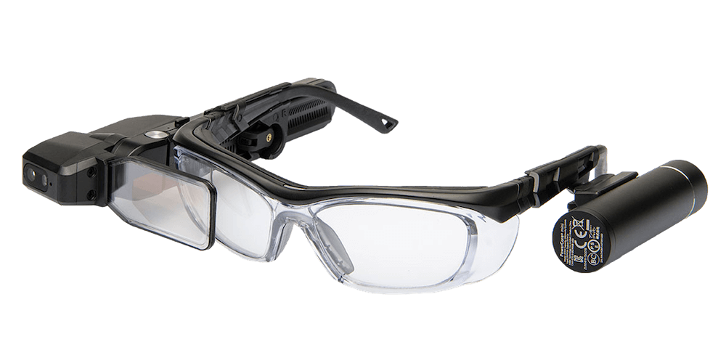 | M4000 Base Kit (Extended Series with Power Bank 3350) | Stay focused using the M4000's ultrabright see-through display with an expansive 28 degree field of view. At just 3.5oz, the M4000 is a revolutionary mix of optics, processing performance and lightweight ergonomics. Share your view in comfort without interruption since only Vuzix allows you to hot swap batteries on the fly. Extended Series Includes the M4000 Smart Glasses, extended life 3350 mAh USB-C power bank (not IP67 certified), charge and viewer cable, safety glasses, extra waveguide, tinted lens accessory, quick start guide, and rugged case. The M4000 comes with a one-year manufacturer’s warranty. | 32.00 | 32 | 14 | 1.988
490T00015 | 0817370021029 | 8471.41.0150 | 817370021029 | 00817370021029 | 490T00014 |  | M4000 Starter Kit for Power Bank 3350 | Consists of 490T00014 - M4000 RETAIL, WITH POWER BANK 3350 [EAN 0817370021029- and 472T0A002 - M-SERIES MOUNTING ACCESSORIES [EAN 0817370020725] | 32.00 | 32 | 14 | 1.988
 | 0817370020725 | 8517.70.0000 | 817370020725 | 00817370020725 | 472T0A002 |  |  |  | 23 | 15.5 | 15.5 | 0.582
472T00011 | 0817370020657 | 8471.41.0150 | 817370020657 | 00817370020657 | Vuzix |  | M400 Base Kit (Longevity Series) | The M400 is built for the workplace and designed for comfort. Stay in control with a flexible combination of inputs including voice and gesture. Scan codes and share your view using the M400’s 12.8mp auto-focus camera and 4K 30fps video streaming capabilities, all driven by Qualcomm’s powerful Snapdragon (TM) XR1 platform. When the job runs long, only Vuzix allows you to hot swap batteries on the fly with zero interruption. Longevity Series Includes the M400 main unit, 750 mAh IP67 certified USB-C battery with 3-level LED indicator, lensless frames, M400 power cable, USB charging cable, carrying case and user manual. The M400 comes with a one-year manufacturer’s warranty. | 23.50 | 16 | 9 | 0.722 | USA
472T00015 | 0817370020657 | 8471.41.0150 | 817370020657 | 00817370020657 | 472T00011 |  | M400, STARTER KIT | The M400 is built for the workplace and designed for comfort. Stay in control with a flexible combination of inputs including voice and gesture. Scan codes and share your view using the M400’s 12.8mp auto-focus camera and 4K 30fps video streaming capabilities, all driven by Qualcomm’s powerful Snapdragon (TM) XR1 platform. When the job runs long, only Vuzix allows you to hot swap batteries on the fly with zero interruption. With the Starter Kit, you gain the flexibility of all our top selling viewer mounting and power options in the same package. The Starter Kit gives you: The M400 Longevity Series bundle: includes the M400 main unit, 750 mAh IP67 certified USB-C battery with 3-level LED indicator, lensless frames, M400 power cable, USB charging cable, carrying case and user manual. The M400 comes with a one-year manufacturer’s warranty. Additional mounting and power bundle: includes safety glasses frames (medium size), headband, hat mount with Vuzix hat, and extended life 3350 mAh USB-C power bank. | 23.5 | 16 | 9 | 0.722
 | 0817370020725 | 8517.70.0000 | 817370020725 | 00817370020725 | 472T0A002 |  |  |  | 23 | 15.5 | 15.5 | 0.582
472T00019 | 0817370020978 | 8471.41.0150 | 817370020978 | 00817370020978 | Vuzix |  | M400 Base Kit (Extended Series with Power Bank 3350) | The M400 is built for the workplace and designed for comfort. Stay in control with a flexible combination of inputs including voice and gesture. Scan codes and share your view using the M400’s 12.8mp auto-focus camera and 4K 30fps video streaming capabilities, all driven by Qualcomm’s powerful Snapdragon (TM) XR1 platform. When the job runs long, only Vuzix allows you to hot swap batteries on the fly with zero interruption. Extended Series Includes the M400 main unit, an extended life 3350 mAh USB-C power bank (not IP67 certified), lensless frames, M400 power cable, USB charging cable, carrying case and user manual. The M400 comes with a one-year manufacturer’s warranty. | 23.5 | 16 | 9 | 0.720
472T00020 | 0817370020978 | 8471.41.0150 | 817370020978 | 00817370020978 | 472T00019 |  | M400, Starter Kit for Power Bank 3350 | as above plus 472T0A002 - Helmet mounts, Headband, hat mount with Vuzix hat, 3,350 mah Anker power bank, safety glasses (Medium) | 23.5 | 16 | 9 | 0.720
 | 0817370020725 | 8517.70.0000 | 817370020725 | 00817370020725 | 472T0A002 |  |  | Consists of 472T00019 - M400, STD, WITH POWER BANK 3350 [EAN 0817370020978] and 472T0A002 - M-SERIES MOUNTING ACCESSORIES [EAN 0817370020725] | 23 | 15.5 | 15.5 | 0.582
494T00011 | 0817370020855 | 8471.41.0150 | 817370020855 | 00817370020855 | Vuzix |  | Blade | Comfort and high performance in a stylish Smart Glasses form factor. Vuzix Blade boasts revolutionary see-through waveguide optics so you can stay focused whether on the job or on the go. Capture the moment with an auto-focus 8-megapixel camera, never miss a call with built-in stereo speakers, and enjoy an advanced augmented reality experience on the go. Includes: Blade Upgraded Smart Glasses, two USB micro charging cables, user guide, and soft case. | 22 | 17 | 8 | 0.698 | USA
Accessories |  |  |  |  |  |  | M Series Accessories

MPN | EAN | Commodity | UPC | GTIN
 |  | Code
472T0A001 | 0817370020695 | 8507.60.0000 | 817370020695 | 00817370020695 | Vuzix |  | Power Bank 3350 | The Power Bank 3350 is designed specifically for the M-Series and is powered by an Anker PowerCore+ mini 3350 mAh battery. Vuzix's unique design enables users to hot-swap out the power bank, meaning you never need to interrupt your work when changing out the battery. Comes with a USB-A to USB-C 0.5m viewer cable and USB-A to USB micro charging cable. Hat and device are not included. | 19.5 | 10 | 2 | 0.116 | China
446T0A038 | 0817370020664 | 3907.40.0000 | 817370020664 | 00817370020664 | Vuzix |  | Hat Mount | M-Series Hat Mounts are designed for comfort and versatility. They fit most baseball caps, visors, and safety bump caps providing a stable mounting for M-Series Smart Glasses. They can hold several M-Series On-Frame Battery types on one side and a single custom Vuzix rail mount on the other. The mounts rotate 360 degrees allowing use of M-Series Smart Glasses with either the left or right eye. | 17 | 13 | 3 | 0.036 | China
 |  |  |  |  | Vuzix | 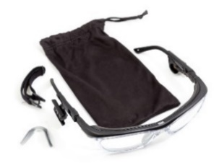 | Safety Frame Kit ( prescription ready) | M-Series safety frames include left and right side clips with the custom Vuzix rail mounting system, allowing for right or left eye mounting with 30 degree rotation of the M-Series Smart Glasses main unit. Shipped with prescription blanks, these frames can be fitted for safety rated prescriptions by most optometrists. Additional accessories include a comfort nose bridge, dust guard, and temple head strap for a snug fit. Safety frames are sized as follows: Small: lens width 55mm, bridge width 15mm, temple length 130mm Medium: lens width 57mm, bridge width 16mm, temple length 135mm Large: lens width 61mm, bridge width 17mm, temple length 135mm
446T0A022 | 0817370020282 | 9004.90.0000 | 817370020282 | 00817370020282 | Vuzix |  | Small | as above | 17 | 8.5 | 6 | 0.26 | Taiwan
446T0A001 | 0817370020022 | 9004.90.0000 | 817370020022 | 00817370020022 | Vuzix |  | Medium | as above | 17 | 8.5 | 6 | 0.27 | Taiwan
446T0A023 | 0817370020299 | 9004.90.0000 | 817370020299 | 00817370020299 | Vuzix |  | Large | as above | 17 | 8.5 | 6 | 0.28 | Taiwan
446T0A002 | 0817370020107 | 6507.00.0000 | 817370020107 | 00817370020107 | Vuzix | 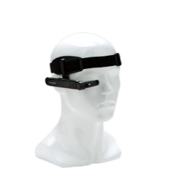 | M Series headband | Adjustable Headband fits any head size comfortably while providing a stable mounting of the M-Series Smart Glasses. Elastic headband is lined for comfort, and holds an M-Series On-Frame Battery mount on one side and a single custom Vuzix rail mount on the other side, allowing for left or right eye use. | 17 | 8.5 | 6 | 0.094 | China | Bag
446T0A007 | 0817370020077 | 9003.11.0000 | 817370020077 | 00817370020077 | Vuzix |  | M-series Safety Helmet/Hard Hat Mounts (L & R) | The M-Series Safety Helmet Mounts include both left and right side mounts that attach to the standard accessory mounting slots on either side of the helmet. Mounts allow for 30 degree rotation of Smart Glasses and fit most standard US and EU safety helmets. | 20 | 10 | 2 | 0.028 | USA
446T0A010 | 0817370020114 | 9003.11.0000 | 817370020114 | 00817370020114 | Vuzix |  | M-series Lensless Frames | Replacement frames can accommodate both the M-Series Smart Glasses and M-Series On-Frame Battery for either right or left eye mounting via the custom Vuzix rail mounting system on both temples. Designed with an adjustable tall nose bridge and no lenses, these frames allow the user to wear them over most pairs of prescription or safety eyewear | 17 | 8.5 | 6 | 0.082 | China | Bag
472T0A003 | 0817370020763 | 8544.42.0000 | 817370020763 | 00817370020763 | Vuzix |  | M400 USB-C to USB-C Viewer Cable 16" | USB-C to USB-C Viewer Cable is a 16" cable designed to run an M-Series device with its included Power Bank. | 15 | 12 | 1.5 | 0.02 | China | Bag
472T0A004 | 0817370020770 | 8544.42.0000 | 817370020770 | 00817370020770 | Vuzix |  | M400 USB-A to USB-C Charging cable 1 meter | USB-A to USB-C Viewer Cable is a 1 meter cable designed to charge an M-Series Power Bank from a laptop or wall adapter (not included). | 18.5 | 15 | 1 | 0.085 | China | Bag
446T0A019 | 0817370020190 | 9003.11.0000 | 817370020190 | 00817370020190 | Vuzix |  | M-Series Ear Hooks (for lens-less frames) | Replacement ear-hooks for the M-Series Lensless Frames provide a customized snug fit for all head sizes, stabilizing the frames on the head and preventing slippage when using in a head down position. | 9 | 6 | 0.5 | 0.005 | China
MA0000077 | 0817370020275 | 8507.60.0000 | 817370020275 | 00817370020275 | Vuzix |  | M-series 10,050 mAh External battery | Ruggedized external 10,050 mAh power pack is designed for 8-10 hours of use on a single charge. Lightweight and pocket-sized, the GO PUCK 6XR includes a dual USB output, 4 LED charge, long micro-USB cable, and the exclusive active mounting clip for belts or straps. Multi-unit charging stations also available. | 10.5 | 10.35 | 11 | 0.665 | China
446T0A029 | 0817370020435 | 9003.11.0000 | 817370020435 | 00817370020435 | Vuzix |  | M-Series Peltor Headset Mount | For very noisy environments, this adaptor for the 3M Peltor WS LiteCom headset provides a stable mounting of the M-Series Smart Glasses main unit and its battery. Includes both the left and right side mounts. | 17 | 8.5 | 6 | 0.185 | USA | Bag
446T0A006 | 0817370020060 | 9003.11.0000 | 817370020060 | 00817370020060 | Vuzix |  | M-Series Safety Frame Mounting Clips (L & R) | Replacement mounting clips (frame not included) for attaching to M-Series lensless frames. Set includes left and right side clips with the custom Vuzix rail mounting system, allowing for right or left eye mounting with 30 degree rotation of the main M-Series Smart Glasses. | 9 | 8 | 15 | 0.014 | USA
472T0A002 | 0817370020725 | 8517.70.0000 | 817370020725 | 00817370020725 |  |  | M-SERIES MOUNTING ACCESSORIES | M-SERIES MOUNTING ACCESSORIES bundle to starter pack- see above- medium frame | 23 | 15.5 | 15.5 | 0.582

Accessories |  |  |  |  |  |  | Blade

MPN | EAN | Commodity | UPC | GTIN
 |  | Code
447T0A005 | 0817370020640 | 9004.10.0000 | 817370020640 | 00817370020640 | Vuzix |  | Vuzix Blade Clip on sunglasses | TAC polarized lenses are thinner than ordinary PC or AC lenses, only about 0.74mm in thickness but more durable and flexible than ordinary PC or AC lenses. Normal sunglasses lenses can only reduce sunlight, but polarized lenses can reduce the glare from sunlight, especially the glare from the surface of roads, lakes and windows. These rimless clip on sunglasses are designed to fit over the Vuzix Blade, and flip up when you don't need them.UV-400 Lenses provide 100% UV protection and anti-glare from sunlight. | 17 | 8.5 | 6 | 0.104 | China
447T0A007 | 0817370020817 | 9003.11.0000 | 817370020817 | 00817370020817 | Vuzix |  | Vuzix Blade Upgraded Smart Glasses Prescription inserts | TAC polarized lenses are thinner than ordinary PC or AC lenses, only about 0.74mm in thickness but more durable and flexible than ordinary PC or AC lenses. Normal sunglasses lenses can only reduce sunlight, but polarized lenses can reduce the glare from sunlight, especially the glare from the surface of roads, lakes and windows. These rimless clip on sunglasses are designed to fit over the Vuzix Blade, and flip up when you don't need them.UV-400 Lenses provide 100% UV protection and anti-glare from sunlight. | 17 | 8.5 | 6 | 0.104 | China
447T00001 |  | 9001.50.0000 | No GTIN registered for this |  | Vuzix |  | Vuzix Blade Upgraded Smart Glasses Prescription inserts | Only available in certain countries, Prescription required | 17 | 8.5 | 6 | 0.074 | China
447T0A006 | 0817370020794 | 8507.60.0000 | 817370020794 | 00817370020794 | Vuzix | 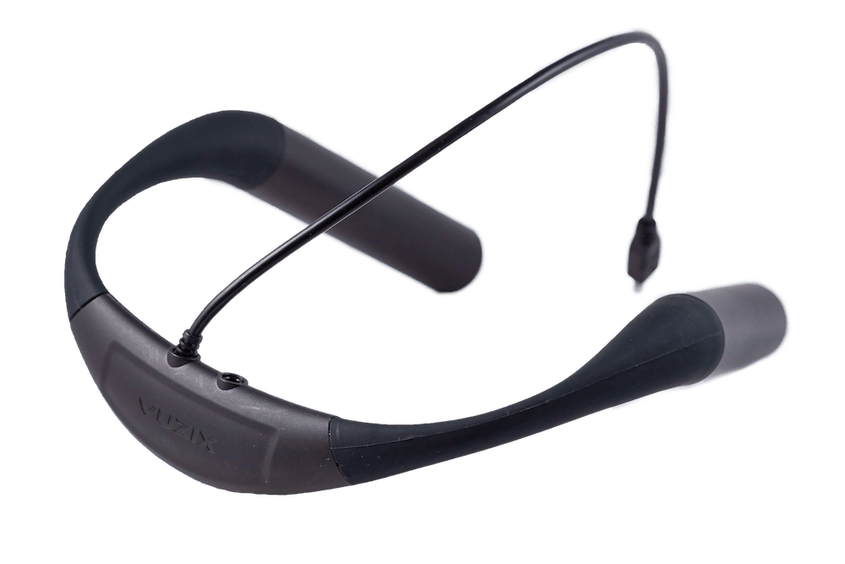 | Vuzix Blade Collar Power Bank | The Collar Power Bank is a 2850 mAh battery designed specifically for Vuzix Smart Glasses. It offers ten times the battery capacity of Blade Smart Glasses for 10 hours of run time under normal operation. The battery is worn around the neck to comfortably and conveniently extend device usage. It also provides pass-through audio from the Vuzix Blade Model 447 to headphones. Note: Vuzix Blade Model 494 cannot use the pass-through audio. | 22 | 20.5 | 5.5 | 0.466 | China

